1. Title Page
Instacart Grocery Basket Analysis

Project Name: Instacart Grocery Basket Analysis
Date: 27 February 2022
Analyst Name: Heidi Hodges

Contents:
Population Flow
Consistency checks
Wrangling steps
Column derivations
Visualizations
Recommendations

Data: “The Instacart Online Grocery Shopping Dataset 2017”, Accessed from https://www.instacart.com/datasets/grocery-shopping-2017 on 4 January 2022.

2. Population Flow
Title page

Population flow

Exclusion flag
Condition: max_order < 5
Obervations to be removed: 1,440,295
Final total count of order_products_all: 30,964,564

Orders_products_combined
Orders_products_merged
Orders_products_all

Total: 32,404,859
Total: 32,434,489
Total: 32,404,859

1.) The grey boxes in the first row of the population flow represent the original data sets as they were when you downloaded them. In the Total fields you need to add the count of the rows when you imported the data set into Jupyter.
2.) The second row of boxes (coloured) represents the data sets after you manipulated them, e.g., removed missing values and duplicates. In the Total fields you need to add the count of the rows after conducting these operations. This offers a visual oveview of how the data flows throughout the data consistency checks.
3.) The third row, where also the arrows are coloured, represents the merges you performed between the datasets. In the Total fields you need to add the count of the rows in the merged datasets, so that you end up with the final dataset (in the red box). Keep in mind the final dataset should be without exclusions (based on the exclusion flag).

3. Consistency checks
 |  |  |  | Title page
Consistency checks

Dataset | Missing values | Missing values treatment | Duplicates
orders | 206,209 | changed to 0, first time customer | none
products | 16 | remove from df | none
orders_products_prior | none | none | none
customers | 11259 (first names) | removed names from df anyway | none

4. Wrangling steps
 |  |  |  | Title page
Wrangling steps

Columns dropped | Columns renamed | Columns' type changed | Comment/Reason
 | order_dow to orders_day_of_week |  | columns dropped due to not adding value to the analysis
first_name | order_hour_of_day to orders_hour |  | columns renamed to add clarity to their contents
last_name |  |  | no columns needed data type changed
Unnamed : 0
Unnamed : 1
_merge

5. Column derivations
 |  |  |  | Title page

Column derivations and aggregations

In this tab you should add tables below that the frequences of flags/label variables that you produced after deriving them. NB: don't do this for continuous variables, only for flags.
Dataset | New column | Column/s it was derived from | Conditions
df_ords_prods_merged | price_range_loc | prices | low-range = price below 5 mid-range = price between 5 and below 15 high-range = price above 15
df_ords_prods_merged | max_order | order_number, user_id | groups user id by order number to determine max number of orders per user/customer
df_ords_prods_merged | busiest_day | orders_day_of_week | busiest day = busiest day of week according to value count least busy day = least busy day according to value count regularly busy = all other days
df_ords_prods_merged | busiest_days | orders_day_of_week | busiest days = 2 busiest day of week according to value count least busy days = 2 least busy day according to value count regularly busy = all other days
df_ords_prods_merged | busiest_period_of_day | order_hour_of_day | most orders = hours when the most orders come in, between 8 am and 5 pm fewest orders = hours when least orders come in, between 12 am and 7 am average orders = all others, between 6 pm and 11 pm
df_ords_prods_merged | loyalty_flag | max_order | loyal customer = max_orders over 40 regular customer = max_orders between 10 & 40 new customer = max_orders 10 and under
df_ords_prods_merged | spend_flag | avg_order | high spender = avg_order higher than 10 low spender = avg_order 10 and under
df_ords_prods_merged | freq_flag | order_freq | non-frequent customer = order_freq fewer than 20 days regular customer = order_freq between 10 and 20 days frequent customer = order_freq 10 days or fewer
orders_products_customers_merged | profile | depedents, fam_status, age | young parent = between 18 and 35 years of age, 1 or more dependents single adult = above 18, fam status anything other than married married adult = age 35 and older and fam status = married
orders_products_customers_merged | region | state | group states into regions based on wikipedia https://simple.wikipedia.org/wiki/List_of_regions_of_the_United_States
df_ords_prods_merged | avg_order | prices, user id | groups user id by prices to determine average prices per user/customer
df_ords_prods_merged | order_freq | user id, days since prior order | groups user id by days since prior order to determine order frequency

6. Visualizations
 |  |  |  | Title page

Visualisations

In this tab you should include all the visualtions from Exercises 4.9 and 4.10, alongside the questions from the project brief that they answer. Include any commentary on the relationship between different variables.

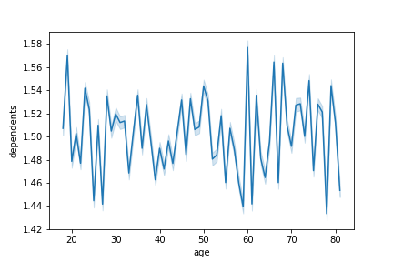



Fig 1. Age vs Dependents |  |  | Fig 2. Income vs Age
This figure looks at age of user vs the number of dependents. No matter the age, the number of dependents is never 0, this may be a limitation in the data. |  |  | This figure looks at the income of different users based on their ages. The income does seem to go up as users age, but there is still a heavy concentration of all ages under $200k.
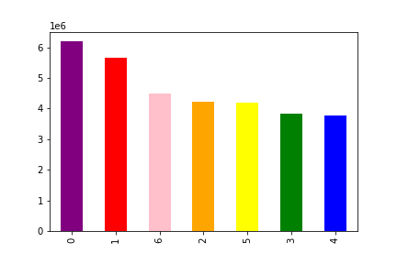

Fig 3. Number of Orders vs Day of Week |  |  | Fig 4. Frequency of Prices vs Hour of the Day
Day of the weeks are represented with numbers starting with 0 as Saturday, 1 as Sunday and so forth. |  |  | Hour of day on x-axis, frequency on y-axis. We can see that more orders have higher prices until around 3 pm and then the frequency drop off steeply. This could be due to full orders are typically placed before 3 pm and then single items that are needed quickly are purchased thereafter.

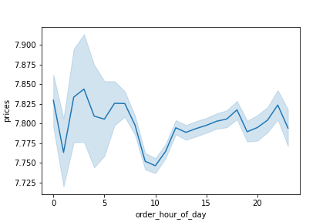
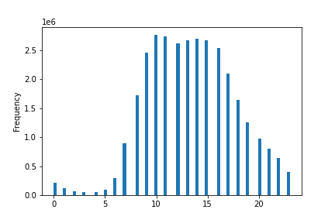

Fig 5. Order Frequency by Hour of the Day |  |  | Fig 6. Prics vs Hour of Day
We can see the frequency of orders by hour of the day, with orders generally coming in between 8 am and 5 pm, with a dropoff around midnight. |  |  | We can see that more expensive items are typically bought in the morning with a sharp drop around mid-morning but steadily growing again in the afternoon. Mid-morning might be the time to advertist more expensive items.

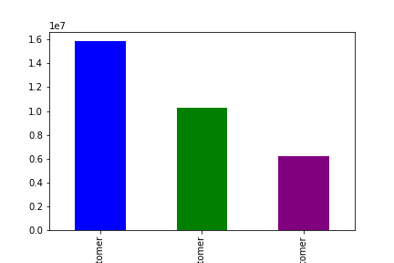
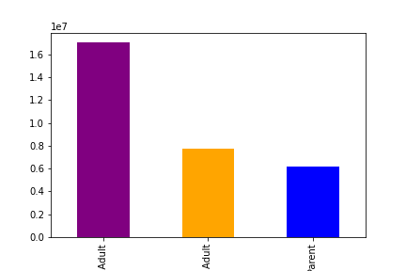

 | Fig 7. Customer Loyalty | Fig 8. Profile
Number of loyalty customers based on loyalty flag. Blue (and largest group) are Regular Customers. Green (middle group) are Loyal Customers. Purple (and smallest group) are New Customers. |  | Fig of profile of customers based on family status and dependents. Purple and largest group by far are Married adults. Orange and middle group are Single adults. Blue and smallest group are Young parents.

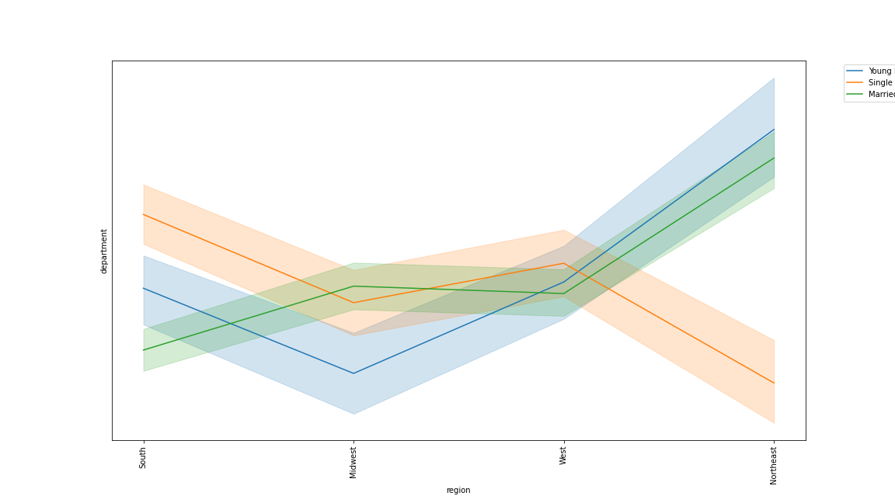

Fig 9. Region and Departments by Profile
Shopping habits as determined by region and profile. There doesn't appear to be big differences in the shopping habits in the Midwest and West based on profile. There are bigger differences in the South based on profile, and some pretty big differnces in the Northeast between single adults and young parent and married adults.

7. Recommendations
 |  |  |  | Title page

Recommendations

In this tab you should include any recommendations you would made to Instcart in terms of their marketing strategy based on the questions posed in the brief. Every key question has been covered in the Tasks of the Exercises - here you need to add an item - a visualisation or table/crosstable that is showing the answer in the data, acompanied by a comment from you. Please, list the questions below and add the answer underneath.

 | Question | Answer
 | Key Question 1 | What’s the distribution among users in regards to their brand loyalty (i.e., how often do they return to Instacart)?
 | Key Question 2 | Are there differences in ordering habits based on a customer’s loyalty status?
 | Key Question 3 | Are there differences in ordering habits based on a customer’s region?
 | Key Question 4 | Is there a connection between age and family status in terms of ordering habits? Note: Instacart is a real company that’s made their data available online. However, the contents of this project brief have been fabricated for the purpose of this Achievement.
 | Key Question 5 | What different classifications does the demographic information suggest? Age? Income? Certain types of goods? Family status?
 | Key Question 6 | What differences can you find in ordering habits of different customer profiles? Consider the price of orders, the frequency of orders, the products customers are ordering, and anything else you can think of
 | Key Question 7

 | Fig 1. Key Question 1 Answer
 | Answer: The distribution is twice as many regular customers as new customers, with loyal customers in the middle
 | The question becomes 'how do we turn new customers and regular customers into loyal customers?'
 | More information about the differences in spending habits between regular and loyal customers would provide insight as to what makes a customer loyal vs regular.
 | I would recommend looking at money spent overall and if coupons or rewards play a part.

 | Fig 2. Key Answer 2 - Loyalty vs Spending
Answer: There are differences based on loyalty and spending but they are not statistically significant.
About 2% of all customers, regardless of loyalty designation, are high spenders.

Loyalty Vs Order Frequency
 | Frequent customer | Non-frequent customer | Regular customer
Loyal customer | 7410109 | 760677 | 2113307
New customer | 3374567 | 387999 | 1041129
Regular customer | 11306051 | 1229406 | 3341319

Fig 3. Key Answer 2 - Loyalty vs Order Frequency
Answer: We can see that there are more frequent regular customers than loyal customers.
Loyalty was determined based on total orders while the frequency flag was based on order frequency. Instacart may want to include order frequency within their loyalty parameters and cross check against when the account was created.

Spending Flag by Region
 | High spender | Low spender
Midwest | 155932 | 7441393
Northeast | 108180 | 5614556
South | 209481 | 10582404
West | 160271 | 8132642

 |  |  |  | Fig 5. Spending Habits v Region, Percentage of Totals

Frequency by Region
 | Frequent customer | Non-frequent customer | Regular customer
Midwest | 5178430 | 559554 | 1523529
Northeast | 3905371 | 411413 | 1147901
South | 7357267 | 797603 | 2156269
West | 5649659 | 609512 | 1668056

 |  |  |  |  |  | Fig 6. Frequency by Region

Fig 4. Answer 3 - Spending Habits vs Region
Answer: As we can see, most customers are not going to be high spenders. South and West regions have more customers and therefore more numbers overall, but as we can see in Fig 5, the percentages are not statistically different.
We can see that the South and West put in more orders overall. Advertising should be focused on getting new customers in the Northeast particularly and the Midwest to a lesser extent.
However, we should also bear in mind that much of the Northeast is very rural, many folks are not going to be as likely to adapt to new things and the grocery stores themselves may not be set up for orders.

Fig 7. Key Answer 4 - Family Status vs Departments
Answer: There are real differences in ordering habits dependent upon family status and the current needs of the families.
Married people over 35 appear to buy more produce than single adults and young parents.

Fig 8. Profile
Fig of profile of customers based on family status and dependents. Purple and largest group by far are Married adults. Orange and middle group are Single adults. Blue and smallest group are Young parents.

Answer: We can determine that age and family composition affect a customer's spending and shopping habits by which departments they shop.
Younger parents will shop more in 'Baby' than those without babies.
We can also see that Married adults shop much more frequently than Single adults or Young parents, most likely because life is more stable. Young parents could probably benefit more from the convenience of ordering from Instacart.

Department by Profile
 | Married Adult | Single Adult | Young Parent
alcohol | 77244 | 36827 | 30556
babies | 227487 | 103328 | 79577
bakery | 616387 | 281395 | 223046
beverages | 1420447 | 645341 | 506113
breakfast | 368730 | 166432 | 135688
bulk | 18603 | 8000 | 6848
canned goods | 557758 | 251020 | 203296
dairy eggs | 2841908 | 1294376 | 1040898
deli | 551078 | 253382 | 199374
dry goods pasta | 453441 | 204296 | 164399
frozen | 1169656 | 529348 | 422727
household | 390712 | 171358 | 137787
international | 140116 | 64461 | 51414
meat seafood | 373561 | 165878 | 135342
missing | 35692 | 15935 | 13141
other | 18614 | 8714 | 7083
pantry | 983354 | 443904 | 355447
personal care | 234453 | 106205 | 83648
pets | 50669 | 23602 | 18789
produce | 4996513 | 2275441 | 1807319
snacks | 1519723 | 690438 | 556245

Fig 9. Key Answer 5 - Department spending by Profile
Answer: From what we can see, married adults spend a lot more on product and dairy & eggs than their counterparts, likely because these are more expensive items and married couples are more stable.
Likely, married couples, as they are older than 35, have more stability in their careers and the benefit of 2 incomes. Single adults only have the benefit of 1 income but also have fewer mouths to feed.
Young parents likely have the least income and have to spend their money more wisely, as babies are expensive.
Profile vs Frequency
 | Frequent customer | Non-frequent customer | Regular customer
Married Adult | 12166368 | 1311875 | 3567903
Single Adult | 5510800 | 602204 | 1626677
Young Parent | 4413559 | 464003 | 1301175
Loyalty by Profile
 | Loyal customer | New customer | Regular customer
Married Adult | 5605245 | 2994654 | 8446247
Single Adult | 2561271 | 1363766 | 3814644
Young Parent | 2033299 | 1086857 | 3058581
 | Married Adult
Loyal customer | 5605245
New customer | 2994654
Regular customer | 8446247
 | Single Adult
Loyal customer | 2561271
New customer | 1363766
Regular customer | 3814644
 | Young Parent
Loyal customer | 2033299
New customer | 1086857
Regular customer | 3058581

Fig 10. Key Answer 6 -Profile vs Frequency Chart |  |  | Fig 11. Loyalty Status vs Profile |  | Fig 12. Married Adult Loyalty |  | Fig 13. Single Adult Loyalty | Fig 14. Young Parent Loyalty

Answer: As we can see, married adults place orders more frequently than their counterparts
We can see in Fig 11-14 that loyalty is spaced out at the same rate across all profiles.
Once again, married adults buy much more product and dairy & eggs than their counterparts. Perhaps advertising of those departments should be more focused on single adults and young parents.

